Sheet1
 |  |  | EQUITY RESEARCH REPORT

 | ETERNAL LIMITED
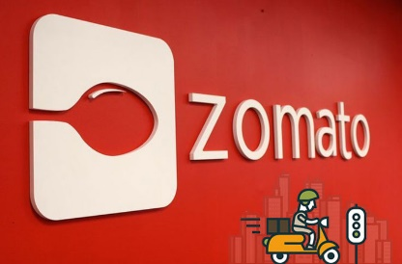
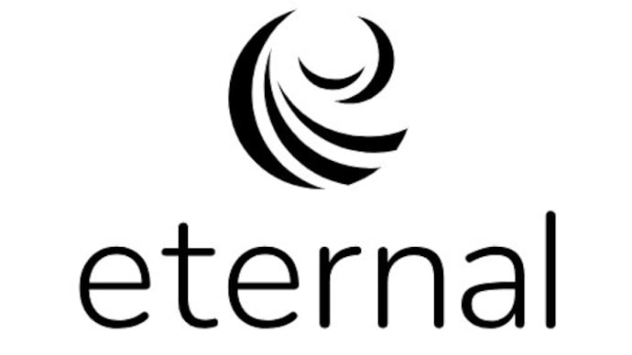




 |  |  |  |  |  |  |  |  |  | COMPANY SNAPSHOT
 |  |  |  |  |  |  |  |  |  |  |  |  |  | (Units -in Crs)
 |  |  |  |  |  | MKT CAPS |  |  |  |  |  | ₹276579
PARTICULARS |  | 2026-03-23 | 2026-03-24 | 2026-03-25 | 2026-03-26 | HIGH/LOW |  | → |  |  |  | 368 / 213
 |  |  |  |  |  | DIV YEILDS |  | → |  |  |  |  | 0.00%
REVENUE(Y-O-Y)% |  | 69% | 71% | 67% | 169% | P/E |  | → |  |  |  | 756x
EBITDA% |  | -35% | -104% | 1407% | 86% | ROCE |  | → |  |  |  |  | 2.98%
EBIT% |  |  |  |  |  | ROE |  | → |  |  |  |  | 1.19%

PBT% |  | -17% | -129% | 140% | -12%
NET PROFIT % |  | -21% | -136% | 50% | -31% |  |  |  | SHAREHOLDING PATTERN
 | Mar-22 | Mar-23 | Mar-24 | Mar-25 | Mar-26 | Jun-26
FIIs + | 10.44% | 54.61% | 55.11% | 44.36% | 32.61% | 29.09%
DIIs + | 3.05% | 8.04% | 15.28% | 23.47% | 35.88% | 39.21%
Government + | 0.00% | 0.00% | 0.00% | 0.10% | 0.10% | 0.11%
Public + | 83.60% | 35.15% | 28.05% | 26.08% | 26.68% | 26.99%
Others + | 2.91% | 2.22% | 1.58% | 5.98% | 4.73% | 4.61%

KEY POINT ABOUT THE COMPANY

 |  |  |  |  |  |  |  |  |  | FINANCIAL RATIOS

 |  |  |  |  |  |  | PARTICULARS |  |  |  | 2026-03-23 | 2026-03-24 | 2026-03-25 | 2026-03-26

 |  |  |  |  |  |  |  | ROE |  |  | -5% | 2% | 2% | 1%
 |  |  |  |  |  |  |  | ROCE |  |  | -5% | 2% | 3% | 3%
 |  |  |  |  |  |  |  | NPM |  |  | 47% | 36% | 36% | 28%
 |  |  |  |  |  |  |  | GPM |  |  | 5277 | 8660 | 13567 | 24197
 |  |  |  |  |  |  |  | EBITDAM |  |  | 54% | 41% | 42% | 32%
 |  |  |  |  |  |  |  | EBITM |  |  | 48% | 37% | 38% | 29%
 |  |  |  |  |  |  |  | PATM |  |  | 47% | 36% | 36% | 28%
QUATERLY PERFORMANCE

INDUSTRY OVERVIEW

Management voice

 | COMPANY CON'S ANALYSIS

→

→

→

→

 | DASHBORAD SHOWS SALES AND PROFIT GRAPHS

 | VALUATION ANALYSIS

 |  | SUM of present value of FCFF (FY27 -31) |  | 34327.559552

 |  | Terminal value = |  | 57484.837837

 |  | ENTERPRISE VALUE |  | 91812.39739

 |  | Enterprise value - |  | 91812.39739
 |  | Add:Debt |  | 786
 |  | Less:Cash and Cash & investment |  | 345.67
 |  | EQUITY VALUE |  | 92252.72739
 |  | Share outstanding | (cr) | 965
 |  | fair value |  | 95.598681233
 |  | CMP |  | 292
 |  | Downside |  | -67%

 | AS per my knowledge ,currently the stock price is overvalued and and may be correct around 60-70%
 | so as per my recommendation we have to hold the stock if we have potential to hold otherwise sell.

